Лист1
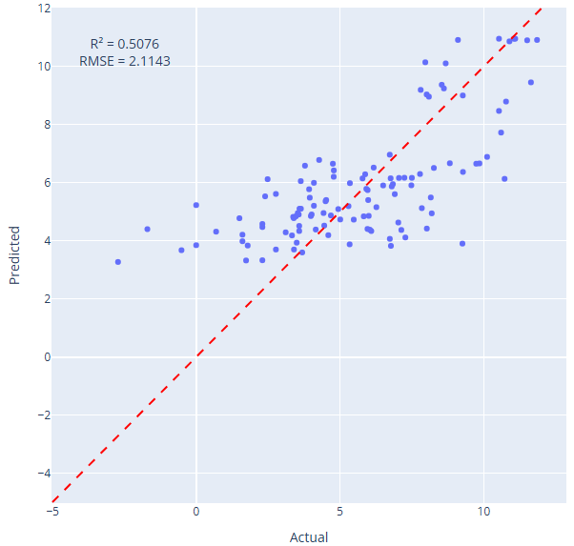
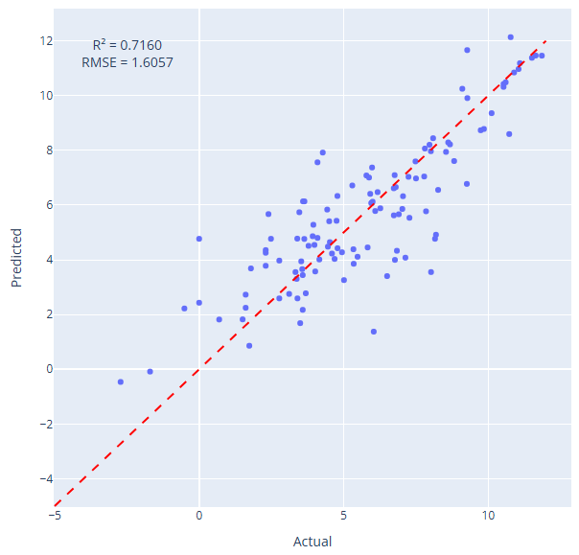
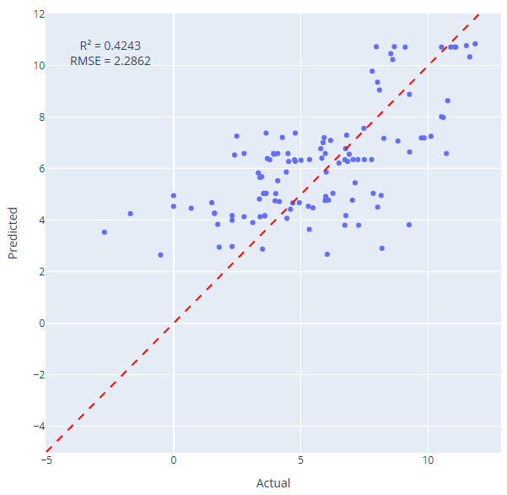
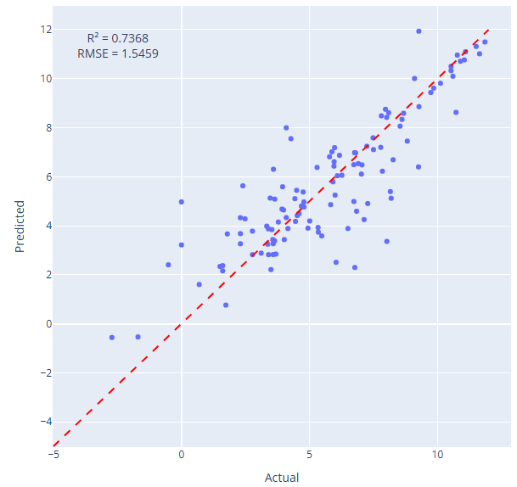
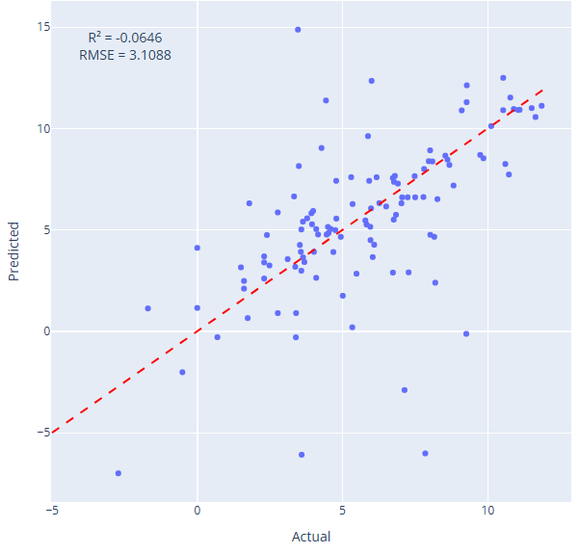
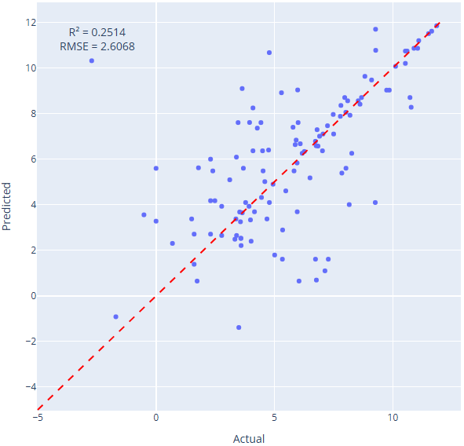
 |  |  | Missing data handling |  |  |  |  |  |  |  |  |  |  |  |  |  |  |  |  |  |  | Duplicates |  | Outliers |  |  | Descriptors calculation |  |  |  |  |  |  |  | Preparing for ML |  |  |  |  |  |  |  | ML |  |  |  | R2 |  |  |  |  |  | RMSE
Dataset commit | Code commit | Input rows | Nx/Ox | Perovskite | Bandgap | Prep Method | CalcT | Calc time | CatW, g/L | Light type | Power,W | Rate | Surf area | Alcohol,% | Wave length | Cell material | Temperature, K | MP_ID | COD_ID | Springer_ID | Rows |  | Rows | Method | Columns | Rows | MP_ID | COD_ID | CIF files descriptors | Packing fraction | d,A | Log | Sac Agents | Rows | Categorical encoding | Methodical | Electron | 3 avg | Bandgap | d,A | Normalization | Correlated vfeatures | Target | Std | Optimization | Validation method | LR | DT | RF | Gboost | KNN | CatBoost | LR | DT | RF | Gboost | KNN | CatBoost
a27d7ad | a27d7ad | 1086 | remove | remove | remove | remove | remove | remove | remove | remove | remove | remove | avg | 0 | min | mode | 298.15 | -1 | -1 | -1 | 745 |  | 745 | IQR | [] | 745 | None | None | extraction; yellow labeles extracted without changes | Z,V | None, avg | remove | None | 665 | One-hot | Yes | Yes | Yes | Yes | Yes | MinMax | None | Log_rate |  | GridSearch | Test/train | 0.55 | 0.59 | 0.57 | 0.81 | 0.78 | 0.84
a27d7ad | a27d7ad | 1086 | remove | remove | remove | remove | remove | remove | remove | remove | remove | remove | avg | 0 | min | mode | 298.15 | -1 | -1 | -1 | 745 |  | 745 | IQR | [] | 745 | None | None | extraction; yellow labeles extracted without changes | Z,V | None, avg | remove | None | 665 | One-hot | Yes | Yes | Yes | Yes | Yes | MinMax | None | Log_rate |  | GridSearch | Test/train | 0.528 | 0.38 | 0.61 | 0.79 | 0.99 | 0.98 | 1.98 | 2.27 | 1.73 | 1.31 | 0.31 | 0.39
a27d7ad | a27d7ad | 1086 | remove | remove | remove | remove | remove | remove | remove | remove | remove | remove | avg | 0 | min | mode | 298.15 | -1 | -1 | -1 | 745 |  | 745 | IQR | [] | 745 | None | None | extraction; yellow labeles extracted without changes | Z,V | None, avg | remove | None | 665 | One-hot | Yes | Yes | Yes | Yes | Yes | MinMax | None | Log_rate |  | GridSearch | Cross-validation | -0.11 | -0.29 | 0.29 | 0.33 | 0.19 | 0.4 | 3.11 | 3.37 | 2.48 | 2.43 | 2.66 | 2.27
a27d7ad | 1710c85 | 1086 | remove | remove | remove | remove | remove | remove | remove | remove | remove | remove | avg | 0 | min | mode | 298.15 | -1 | -1 | -1 | 745 |  | 745 | IQR | Bandgap, eV','Calc time (h)', 'Promoter, w%', 'Surface area, m2/g','CatW, g/L', 'Alcohol, %','Power, W', 'Wave length min, nm', 'Temperature, K' | 305 | None | None | extraction; yellow labeles extracted without changes | Z,V | None, avg | remove | None | 305 | One-hot | Yes | Yes | Yes | Yes | Yes | MinMax | Drop, 0.9 ['Wave length min, nm', 'Temperature, K', 'avg p valence electrons', 'frac f valence electrons', 'Promoter_Pt', 'Cell aterial_quartz'] | Log_rate |  | GridSearch | Cross-validation | -1.36 | 0.11 | 0.39 | 0.47 | 0.31 | 0.52 | 4.49 | 2.76 | 2.27 | 2.13 | 2.43 | 2.02
a27d7ad | 89802a5 | 1086 | remove | remove | avg | avg | avg | avg | avg | avg | avg | remove | avg | 0 | min | mode | 298.15 | -1 | -1 | -1 | 986 |  | 986 | IQR | Bandgap, eV','Calc time (h)', 'Promoter, w%', 'Surface area, m2/g','CatW, g/L', 'Alcohol, %','Power, W', 'Wave length min, nm', 'Temperature, K' | 379 | None | None | extraction; yellow labeles extracted without changes | Z,V | None, avg | remove | None | 369 | One-hot | Yes | Yes | Yes | Yes | Yes | MinMax | Drop, 0.9 ['Wave length min, nm', 'Temperature, K', 'frac f valence electrons', 'Promoter_Pt', 'Promoter_RuO2'] | Log_rate |  | GridSearch | Cross-validation | -0.47 | 0.25 | 0.41 | 0.52 | 0.35 | 0.55 | 3.63 | 2.58 | 2.28 | 2.07 | 2.4 | 1.99
4872abc | d9a6622 | 1086 | remove | remove | avg | avg | avg | avg | avg | avg | avg | remove | avg | 0 | min | mode | 298.15 | -1 | -1 | -1 | 968 |  | 968 | IQR | Bandgap, eV','Calc time (h)', 'Promoter, w%', 'Surface area, m2/g','CatW, g/L', 'Alcohol, %','Power, W', 'Wave length min, nm', 'Temperature, K' | 406 | None | None | extraction; yellow labeles extracted without changes | Z,V | None, avg | remove | remove | 378 | One-hot | Yes | Yes | Yes | Yes | Yes | MinMax | Drop, 0.9 ['Wave length min, nm', 'Temperature, K', 'frac f valence electrons', 'Promoter_Pt', 'Promoter_RuO2'] | Log_rate | 2.88 | GridSearch | Cross-validation | -0.7 | 0.18 | 0.39 | 0.59 | 0.36 | 0.63 | 3.76 | 2.61 | 2.23 | 1.83 | 2.29 | 1.75
4872abc | d9a6622 | 1086 | remove | remove | avg | avg | avg | avg | avg | avg | avg | remove | avg | 0 | min | mode | 298.15 | -1 | -1 | -1 | 968 |  | 968 | IQR | Bandgap, eV','Calc time (h)',, 'Temperature, K' | 669 | None | None | extraction; yellow labeles extracted without changes | Z,V | None, avg | remove | remove | 574 | One-hot | Yes | Yes | Yes | Yes | Yes | MinMax | Drop, 0.9 ['Wave length min, nm', 'Temperature, K', 'frac f valence electrons', 'Promoter_Pt', 'Promoter_RuO2'] | Log_rate | 3.09 | GridSearch | Cross-validation | -1.39 | -0.17 | 0.38 | 0.46 | 0.3 | 0.49 | 4.78 | 3.35 | 2.43 | 2.26 | 2.57 | 2.19
4872abc | d9a6622 | 1086 | remove | remove | avg | avg | avg | avg | avg | avg | avg | remove | avg | 0 | min | mode | 298.15 | -1 | -1 | -1 | 968 |  | 968 | IQR | Bandgap, eV','Calc time (h)', 'Promoter, w%', 'Surface area, m2/g','CatW, g/L', 'Alcohol, %','Power, W', 'Wave length min, nm', 'Temperature, K' | 406 | None | None | extraction; yellow labeles extracted without changes | Z,V | None, avg | remove | remove | 385 | One-hot | Yes | Yes | Yes | Yes | Yes | MinMax | Drop, 0.9 ['Wave length min, nm', 'Temperature, K', 'frac f alence electrons', 'Promoter_Pt', 'Promoter_RuO2'] | Rate | 3.09 | GridSearch | Cross-validation | -1.43 | -0.13

 |  | 1086 | remove | remove | avg | avg | avg | avg | avg | avg | avg | remove | avg | 0 | min | mode | 298.15 | -1 | -1 | -1 | 968 |  | 968 | IQR | Bandgap, eV','Calc time (h)', 'Promoter, w%', 'Surface area, m2/g','CatW, g/L', 'Alcohol, %','Power, W', 'Wave length min, nm', 'Temperature, K' | 406 | None | None | extraction; yellow labeles extracted without changes | Z,V | None, avg | remove | remove | 385 | One-hot | Yes | Yes | Yes | Yes | Yes | MinMax | Drop, 0.9 ['Wave length min, nm', 'Temperature, K', 'frac f alence electrons', 'Promoter_Pt', 'Promoter_RuO2'] | Rate | 3.09 | GridSearch | Test/train | -0.06 | 0.25 | 0.51 | 0.72 | 0.42 | 0.74 | 3.11 | 2.6 | 2.11 | 1.61 | 2.29 | 1.55
 |  |  |  |  |  |  |  |  |  |  |  |  |  |  |  |  |  |  |  |  |  |  |  |  |  |  |  |  |  |  |  |  |  |  |  |  |  |  |  |  |  |  |  |  |  |  | 0.11

 |  |  |  |  |  |  |  |  |  |  |  |  |  |  |  |  |  |  |  |  |  |  |  |  |  |  |  |  |  |  |  |  |  |  |  |  |  |  |  |  |  |  |  | 2nd dataset
 |  |  |  |  |  |  |  |  |  |  |  |  |  |  |  |  |  |  |  |  |  |  |  |  |  |  |  |  |  |  |  |  |  |  |  |  |  |  |  |  |  |  |  | Split before normalization

